Raw Data
Date | Day | Time Slot | Peak/Off-Peak | Bus Stop | Scheduled Arrival | Actual Arrival | Minutes Early/Late | Early/Late | On-Time (±3min) | On-Time (±5min GBT) | Weather
2026-02-16 | Monday | 07:30 | Peak | Park Ave @ Linden Ave | 2026-03-16 07:30:00 | 2026-03-16 07:29:00 | -1 | Early | On Time | On Time | Cloudy
2026-02-16 | Monday | 08:00 | Peak | Park Ave @ Linden Ave | 2026-03-16 08:00:00 | 2026-03-16 08:01:00 | 1 | Late | On Time | On Time | Cloudy
2026-02-16 | Monday | 08:30 | Peak | Park Ave @ Linden Ave | 2026-03-16 08:30:00 | 2026-03-16 08:32:00 | 2 | Late | On Time | On Time | Partly cloudy
2026-02-16 | Monday | 11:00 | Off-Peak | Park Ave @ Linden Ave | 2026-03-16 11:00:00 | 2026-03-16 11:06:00 | 6 | Late | Late | Late | Clear
2026-02-16 | Monday | 13:30 | Off-Peak | Park Ave @ Linden Ave | 2026-03-16 13:30:00 | 2026-03-16 13:34:00 | 4 | Late | Late | On Time | Clear
2026-02-16 | Monday | 19:00 | Off-Peak | Park Ave @ Linden Ave | 2026-03-16 19:00:00 | 2026-03-16 19:22:00 | 22 | Late | Late | Late | Cloudy
2026-02-17 | Tuesday | 07:30 | Peak | Park Ave @ Linden Ave | 2026-03-16 07:30:00 | 2026-03-16 07:35:00 | 5 | Late | Late | On Time | Cloudy
2026-02-17 | Tuesday | 08:00 | Peak | Park Ave @ Linden Ave | 2026-03-16 08:00:00 | 2026-03-16 08:23:00 | 23 | Late | Late | Late | Cloudy
2026-02-17 | Tuesday | 08:30 | Peak | Park Ave @ Linden Ave | 2026-03-16 08:30:00 | 2026-03-16 08:38:00 | 8 | Late | Late | Late | Cloudy
2026-02-17 | Tuesday | 11:00 | Off-Peak | Park Ave @ Linden Ave | 2026-03-16 11:00:00 | 1900-01-02 11:10:00 | 10 | Late | Late | Late | Cloudy
2026-02-17 | Tuesday | 13:30 | Off-Peak | Park Ave @ Linden Ave | 2026-03-16 13:30:00 | 1900-01-02 13:35:00 | 5 | Late | Late | On time | Cloudy
2026-02-17 | Tuesday | 19:00 | Off-Peak | Park Ave @ Linden Ave | 2026-03-16 19:00:00 | 1900-01-02 19:11:00 | 11 | Late | Late | Late | Cloudy
2026-02-18 | Wednesday | 07:30 | Peak | Park Ave @ Linden Ave | 2026-03-16 07:30:00 | 1900-01-02 07:36:00 | 6 | Late | Late | Late | Fog
2026-02-18 | Wednesday | 08:00 | Peak | Park Ave @ Linden Ave | 2026-03-16 08:00:00 | 1900-01-02 08:10:00 | 10 | Late | Late | Late | Fog
2026-02-18 | Wednesday | 08:30 | Peak | Park Ave @ Linden Ave | 2026-03-16 08:30:00 | 1900-01-02 08:34:00 | 4 | Late | Late | On time | Fog
2026-02-18 | Wednesday | 11:00 | Off-Peak | Park Ave @ Linden Ave | 2026-03-16 11:00:00 | 2026-03-16 10:58:00 | -2 | Early | On time | On time | Cloudy
2026-02-18 | Wednesday | 13:30 | Off-Peak | Park Ave @ Linden Ave | 2026-03-16 13:30:00 | 1900-01-02 13:33:00 | 3 | Late | On time | On time | Cloudy
2026-02-18 | Wednesday | 19:00 | Off-Peak | Park Ave @ Linden Ave | 2026-03-16 19:00:00 | 1900-01-02 18:55:00 | -5 | Early | Early | On time | Cloudy
2026-02-19 | Thursday | 07:30 | Peak | Park Ave @ Linden Ave | 2026-03-16 07:30:00 | 1900-01-02 07:29:00 | -1 | Early | On time | On time | Cloudy
2026-02-19 | Thursday | 08:00 | Peak | Park Ave @ Linden Ave | 2026-03-16 08:00:00 | 1900-01-02 08:09:00 | 9 | Late | Late | Late | Cloudy
2026-02-19 | Thursday | 08:30 | Peak | Park Ave @ Linden Ave | 2026-03-16 08:30:00 | 1900-01-02 08:37:00 | 7 | Late | Late | Late | Cloudy
2026-02-19 | Thursday | 11:00 | Off-Peak | Park Ave @ Linden Ave | 2026-03-16 11:00:00 | 2026-03-16 11:00:00 | 0 | On Time | On Time | On Time | Cloudy
2026-02-19 | Thursday | 13:30 | Off-Peak | Park Ave @ Linden Ave | 2026-03-16 13:30:00 | 1900-01-02 13:39:00 | 9 | Late | Late | Late | Partly cloudy
2026-02-19 | Thursday | 19:00 | Off-Peak | Park Ave @ Linden Ave | 2026-03-16 19:00:00 | 2026-03-16 19:12:00 | 12 | Late | Late | Late | Cloudy
2026-02-20 | Friday | 07:30 | Peak | Park Ave @ Linden Ave | 2026-03-16 07:30:00 | 1900-01-02 07:29:00 | -1 | Early | On time | On time | Cloudy
2026-02-20 | Friday | 08:00 | Peak | Park Ave @ Linden Ave | 2026-03-16 08:00:00 | 2026-03-16 07:58:00 | -2 | Early | On time | On time | Cloudy
2026-02-20 | Friday | 08:30 | Peak | Park Ave @ Linden Ave | 2026-03-16 08:30:00 | 2026-03-16 08:39:00 | 9 | Late | Late | Late | Cloudy
2026-02-20 | Friday | 11:00 | Off-Peak | Park Ave @ Linden Ave | 2026-03-16 11:00:00 | 1900-01-02 11:07:00 | 7 | Late | Late | Late | Partly cloudy
2026-02-20 | Friday | 13:30 | Off-Peak | Park Ave @ Linden Ave | 2026-03-16 13:30:00 | 2026-03-16 13:28:00 | -2 | Early | On time | On time | Partly cloudy
2026-02-20 | Friday | 19:00 | Off-Peak | Park Ave @ Linden Ave | 2026-03-16 19:00:00 | 2026-03-16 19:03:00 | 3 | Late | On time | On time | Clear
2026-02-23 | Monday | 07:30 | Peak | Park Ave @ Linden Ave | 2026-03-16 07:30:00 | 2026-03-16 07:41:00 | 11 | Late | Late | Late | Snow
2026-02-23 | Monday | 08:00 | Peak | Park Ave @ Linden Ave | 2026-03-16 08:00:00 | Canceled | - | Canceled | Canceled | Canceled | Snow
2026-02-23 | Monday | 08:30 | Peak | Park Ave @ Linden Ave | 2026-03-16 08:30:00 | 2026-03-16 08:44:00 | 14 | Late | Late | Late | Snow
2026-02-23 | Monday | 11:00 | Off-Peak | Park Ave @ Linden Ave | 2026-03-16 11:00:00 | 2026-03-16 11:17:00 | 17 | Late | Late | Late | Snow showers
2026-02-23 | Monday | 13:30 | Off-Peak | Park Ave @ Linden Ave | 2026-03-16 13:30:00 | Canceled | - | Canceled | Canceled | Canceled | Cloudy
2026-02-23 | Monday | 19:00 | Off-Peak | Park Ave @ Linden Ave | 2026-03-16 19:00:00 | 2026-03-16 19:15:00 | 15 | Late | Late | Late | Cloudy
2026-02-24 | Tuesday | 07:30 | Peak | Park Ave @ Linden Ave | 2026-03-16 07:30:00 | 2026-03-16 07:37:00 | 7 | Late | Late | Late | Cloudy
2026-02-24 | Tuesday | 08:00 | Peak | Park Ave @ Linden Ave | 2026-03-16 08:00:00 | 1900-01-02 08:14:00 | 14 | Late | Late | Late | cloudy
2026-02-24 | Tuesday | 08:30 | Peak | Park Ave @ Linden Ave | 2026-03-16 08:30:00 | 2026-03-16 08:42:00 | 12 | Late | Late | Late | cloudy
2026-02-24 | Tuesday | 11:00 | Off-Peak | Park Ave @ Linden Ave | 2026-03-16 11:00:00 | 2026-03-16 11:15:00 | 15 | Late | Late | Late | cloudy
2026-02-24 | Tuesday | 13:30 | Off-Peak | Park Ave @ Linden Ave | 2026-03-16 13:30:00 | 2026-03-16 13:37:00 | 7 | Late | Late | Late | cloudy
2026-02-24 | Tuesday | 19:00 | Off-Peak | Park Ave @ Linden Ave | 2026-03-16 19:00:00 | 2026-03-16 19:02:00 | 2 | Late | On time | On time | cloudy
2026-02-25 | Wednesday | 07:30 | Peak | Park Ave @ Linden Ave | 2026-03-16 07:30:00 | 1900-01-02 07:28:00 | -2 | Early | On time | On time | cloudy
2026-02-25 | Wednesday | 08:00 | Peak | Park Ave @ Linden Ave | 2026-03-16 08:00:00 | 1900-01-02 08:00:00 | 0 | On Time | On time | On time | cloudy
2026-02-25 | Wednesday | 08:30 | Peak | Park Ave @ Linden Ave | 2026-03-16 08:30:00 | 2026-03-16 08:32:00 | 2 | Late | On time | On time | cloudy
2026-02-25 | Wednesday | 11:00 | Off-Peak | Park Ave @ Linden Ave | 2026-03-16 11:00:00 | 1900-01-02 11:01:00 | 1 | Late | On time | On time | cloudy
2026-02-25 | Wednesday | 13:30 | Off-Peak | Park Ave @ Linden Ave | 2026-03-16 13:30:00 | 2026-03-16 13:02:00 | -1 | Early | On time | On time | cloudy
2026-02-25 | Wednesday | 19:00 | Off-Peak | Park Ave @ Linden Ave | 2026-03-16 19:00:00 | 2026-03-16 18:58:00 | -2 | Early | On time | On time | cloudy
2026-02-26 | Thursday | 07:30 | Peak | Park Ave @ Linden Ave | 2026-03-16 07:30:00 | 1900-01-02 07:36:00 | 6 | Late | Late | Late | cloudy
2026-02-26 | Thursday | 08:00 | Peak | Park Ave @ Linden Ave | 2026-03-16 08:00:00 | 2026-03-16 08:09:00 | 9 | Late | Late | Late | cloudy
2026-02-26 | Thursday | 08:30 | Peak | Park Ave @ Linden Ave | 2026-03-16 08:30:00 | 1900-01-02 08:40:00 | 10 | Late | Late | Late | cloudy
2026-02-26 | Thursday | 11:00 | Off-Peak | Park Ave @ Linden Ave | 2026-03-16 11:00:00 | 1900-01-02 23:01:00 | 1 | Late | On time | On time | cloudy
2026-02-26 | Thursday | 13:30 | Off-Peak | Park Ave @ Linden Ave | 2026-03-16 13:30:00 | 1900-01-02 00:59:00 | -1 | Early | On time | On time | Partly cloudy
2026-02-26 | Thursday | 19:00 | Off-Peak | Park Ave @ Linden Ave | 2026-03-16 19:00:00 | 1900-01-02 18:55:00 | -5 | Early | Early | On time | Cloudy
2026-02-27 | Friday | 07:30 | Peak | Park Ave @ Linden Ave | 2026-03-16 07:30:00 | 1900-01-02 07:32:00 | 2 | Late | On time | On time | Partly cloudy
2026-02-27 | Friday | 08:00 | Peak | Park Ave @ Linden Ave | 2026-03-16 08:00:00 | 1900-01-02 08:05:00 | 5 | Late | Late | On time | Partly cloudy
2026-02-27 | Friday | 08:30 | Peak | Park Ave @ Linden Ave | 2026-03-16 08:30:00 | 1900-01-02 08:36:00 | 6 | Late | Late | Late | Partly cloudy
2026-02-27 | Friday | 11:00 | Off-Peak | Park Ave @ Linden Ave | 2026-03-16 11:00:00 | 1900-01-02 11:04:00 | 4 | Late | Late | On time | Partly cloudy
2026-02-27 | Friday | 13:30 | Off-Peak | Park Ave @ Linden Ave | 2026-03-16 13:30:00 | 1900-01-02 12:58:00 | -2 | Early | On time | On time | Partly cloudy
2026-02-27 | Friday | 19:00 | Off-Peak | Park Ave @ Linden Ave | 2026-03-16 19:00:00 | 1900-01-02 18:59:00 | -1 | Early | On time | On time | Clear
2026-03-02 | Monday | 07:30 | Peak | Park Ave @ Linden Ave | 2026-03-16 07:30:00 | 2026-03-16 07:34:00 | 4 | Late | Late | On time | Cloudy
2026-03-02 | Monday | 08:00 | Peak | Park Ave @ Linden Ave | 2026-03-16 08:00:00 | 1900-01-02 08:05:00 | 5 | Late | Late | On time | Cloudy
2026-03-02 | Monday | 08:30 | Peak | Park Ave @ Linden Ave | 2026-03-16 08:30:00 | 1900-01-02 08:34:00 | 4 | Late | Late | On time | Cloudy
2026-03-02 | Monday | 11:00 | Off-Peak | Park Ave @ Linden Ave | 2026-03-16 11:00:00 | 1900-01-02 10:59:00 | -1 | Early | On time | On time | Cloudy
2026-03-02 | Monday | 13:30 | Off-Peak | Park Ave @ Linden Ave | 2026-03-16 13:30:00 | 1900-01-02 01:32:00 | 2 | Late | On time | On time | Partly cloudy
2026-03-02 | Monday | 19:00 | Off-Peak | Park Ave @ Linden Ave | 2026-03-16 19:00:00 | 2026-03-16 18:59:00 | -1 | Early | On time | On time | Clear
2026-03-03 | Tuesday | 07:30 | Peak | Park Ave @ Linden Ave | 2026-03-16 07:30:00 | 1900-01-02 07:31:00 | 1 | Late | On time | On time | Cloudy
2026-03-03 | Tuesday | 08:00 | Peak | Park Ave @ Linden Ave | 2026-03-16 08:00:00 | 1900-01-02 08:05:00 | 5 | Late | Late | On time | Cloudy
2026-03-03 | Tuesday | 08:30 | Peak | Park Ave @ Linden Ave | 2026-03-16 08:30:00 | 1900-01-02 08:34:00 | 4 | Late | Late | On time | Cloudy
2026-03-03 | Tuesday | 11:00 | Off-Peak | Park Ave @ Linden Ave | 2026-03-16 11:00:00 | 1900-01-02 11:00:00 | 0 | On Time | On time | On time | Cloudy
2026-03-03 | Tuesday | 13:30 | Off-Peak | Park Ave @ Linden Ave | 2026-03-16 13:30:00 | 1900-01-02 01:32:00 | 2 | Late | On time | On time | Cloudy
2026-03-03 | Tuesday | 19:00 | Off-Peak | Park Ave @ Linden Ave | 2026-03-16 19:00:00 | 2026-03-16 18:59:00 | -1 | Early | On time | On time | Cloudy
2026-03-04 | Wednesday | 07:30 | Peak | Park Ave @ Linden Ave | 2026-03-16 07:30:00 | 1900-01-02 07:29:00 | -1 | Early | On time | On time | Rain
2026-03-04 | Wednesday | 08:00 | Peak | Park Ave @ Linden Ave | 2026-03-16 08:00:00 | 1900-01-02 08:02:00 | 2 | Late | On time | On time | Rain
2026-03-04 | Wednesday | 08:30 | Peak | Park Ave @ Linden Ave | 2026-03-16 08:30:00 | 1900-01-02 08:37:00 | 7 | Late | Late | Late | Rain
2026-03-04 | Wednesday | 11:00 | Off-Peak | Park Ave @ Linden Ave | 2026-03-16 11:00:00 | 2026-03-16 11:10:00 | 10 | Late | Late | Late | Rain
2026-03-04 | Wednesday | 13:30 | Off-Peak | Park Ave @ Linden Ave | 2026-03-16 13:30:00 | 2026-03-16 12:59:00 | -1 | Early | On time | On time | Cloudy
2026-03-04 | Wednesday | 19:00 | Off-Peak | Park Ave @ Linden Ave | 2026-03-16 19:00:00 | 1900-01-02 18:58:00 | -2 | Early | On time | On time | Cloudy
2026-03-05 | Thursday | 07:30 | Peak | Park Ave @ Linden Ave | 2026-03-16 07:30:00 | 2026-03-16 07:31:00 | 1 | Late | On time | On time | Cloudy
2026-03-05 | Thursday | 08:00 | Peak | Park Ave @ Linden Ave | 2026-03-16 08:00:00 | 1900-01-02 08:01:00 | 1 | Late | On time | On time | Cloudy
2026-03-05 | Thursday | 08:30 | Peak | Park Ave @ Linden Ave | 2026-03-16 08:30:00 | 1900-01-02 08:39:00 | 9 | Late | Late | Late | Cloudy
2026-03-05 | Thursday | 11:00 | Off-Peak | Park Ave @ Linden Ave | 2026-03-16 11:00:00 | 1900-01-02 10:58:00 | -2 | Early | On time | On time | Partly cloudy
2026-03-05 | Thursday | 13:30 | Off-Peak | Park Ave @ Linden Ave | 2026-03-16 13:30:00 | 1900-01-02 13:30:00 | 0 | On Time | On time | On time | Partly cloudy
2026-03-05 | Thursday | 19:00 | Off-Peak | Park Ave @ Linden Ave | 2026-03-16 19:00:00 | 1900-01-02 19:31:00 | 1 | Late | On time | On time | Clear
2026-03-06 | Friday | 07:30 | Peak | Park Ave @ Linden Ave | 2026-03-16 07:30:00 | 1900-01-02 07:30:00 | 0 | On Time | On time | On time | Partly cloudy
2026-03-06 | Friday | 08:00 | Peak | Park Ave @ Linden Ave | 2026-03-16 08:00:00 | 1900-01-02 08:00:00 | 0 | On Time | On time | On time | Partly cloudy
2026-03-06 | Friday | 08:30 | Peak | Park Ave @ Linden Ave | 2026-03-16 08:30:00 | 1900-01-02 08:36:00 | 6 | Late | Late | Late | Partly cloudy
2026-03-06 | Friday | 11:00 | Off-Peak | Park Ave @ Linden Ave | 2026-03-16 11:00:00 | 1900-01-02 10:57:00 | -3 | Early | On time | On time | Partly cloudy
2026-03-06 | Friday | 13:30 | Off-Peak | Park Ave @ Linden Ave | 2026-03-16 13:30:00 | 1900-01-02 13:33:00 | 3 | Late | On time | On time | Clear
2026-03-06 | Friday | 19:00 | Off-Peak | Park Ave @ Linden Ave | 2026-03-16 19:00:00 | 2026-03-16 19:04:00 | -4 | Late | Early | On time | Clear

a) Descriptive Stats
DESCRIPTIVE STATISTICS SUMMARY
GBT Bus Route – Park Ave @ Linden Ave | Feb 16 – Mar 6, 2026
Statistic | Value
Total Observations | 90
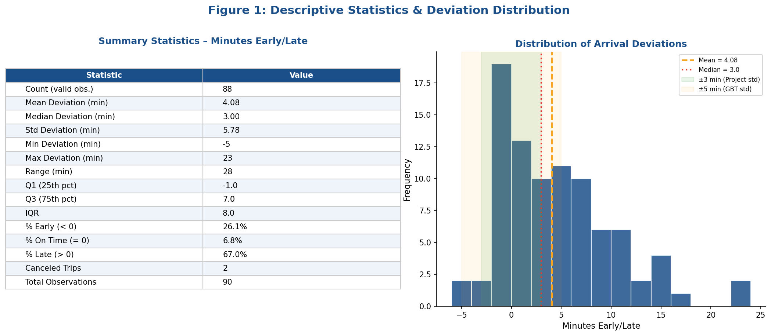
Valid Observations (excl. Canceled) | 88
Canceled Trips | 2
Mean Deviation (min) | 4
Median Deviation (min) | 3
Standard Deviation (min) | 6
Variance (min²) | 33
Minimum Deviation (min) | -5
Maximum Deviation (min) | 23
Range (min) | 28
25th Percentile (Q1) | -1
75th Percentile (Q3) | 7
Interquartile Range (IQR) | 8
Skewness | 1
Kurtosis | 1
# Early Arrivals (< 0 min) | 23
# On Time (= 0 min) | 6
# Late Arrivals (> 0 min) | 59
% Early | 26.1%
% On Time (exact) | 6.8%
% Late | 67.0%

b-c) On-Time Performance
ON-TIME PERFORMANCE RATES

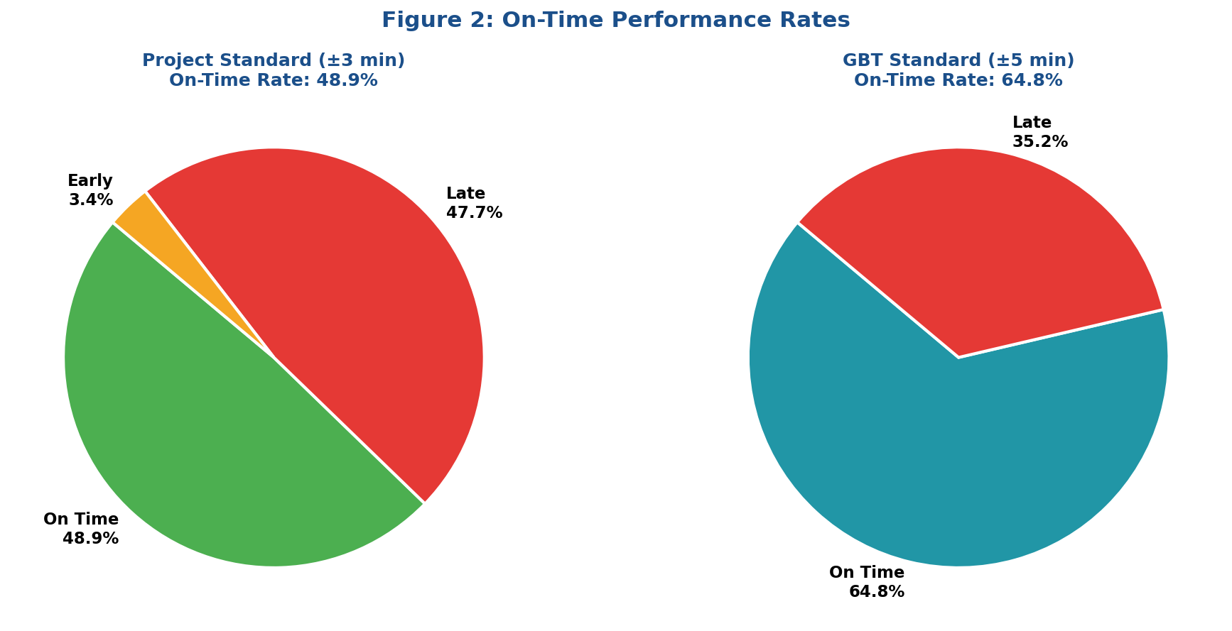
Project Standard (±3 Minutes)
Category | Count | Percentage
On Time (within ±3 min) | 43 | 48.9%
Late (> +3 min) | 42 | 47.7%
Early (< -3 min) | 3 | 3.4%
TOTAL | 88 | 100.0%

GBT Standard (±5 Minutes)
Category | Count | Percentage
On Time (within ±5 min) | 57 | 64.8%
Late (> +5 min) | 31 | 35.2%
TOTAL | 88 | 100.0%

d) Peak vs Off-Peak
PEAK vs. OFF-PEAK COMPARISON (Stratified Analysis)

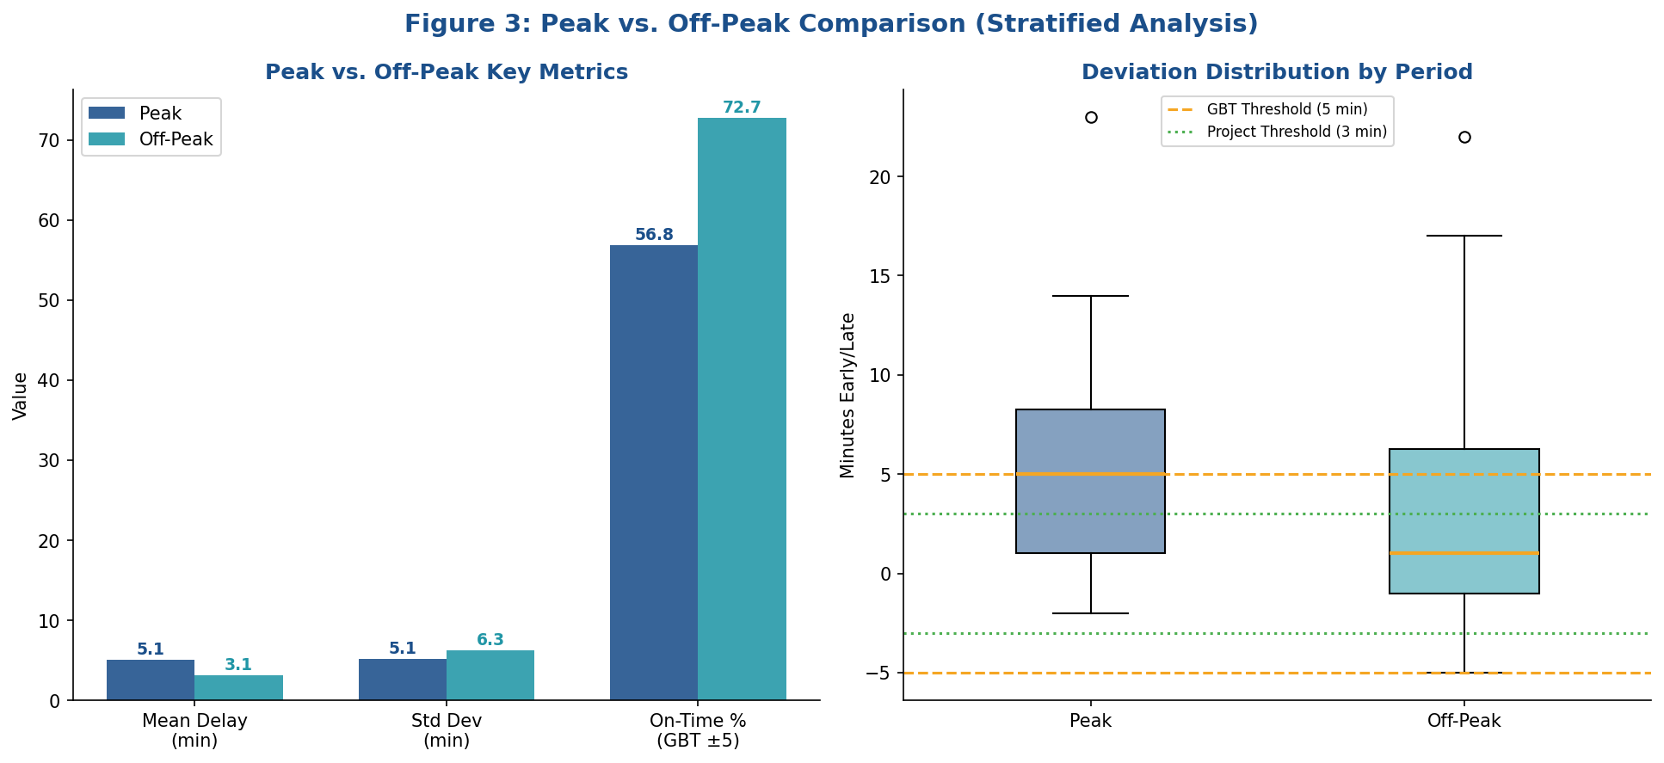
Metric | Peak Period | Off-Peak Period | Difference
Observations | 44 | 44 | +0.00
Mean Delay (min) | 5 | 3 | +1.98
Median Delay (min) | 5 | 1 | +4.00
Std Deviation (min) | 5 | 6 | -1.13
Min Delay (min) | -2 | -5 | +3.00
Max Delay (min) | 23 | 22 | +1.00
On Time % (±3 min) | 38.6% | 59.1% | -20.50%
On Time % (±5 min GBT) | 56.8% | 72.7% | -15.90%
# Late Trips | 19 | 12 | +7.00

e) Day of Week
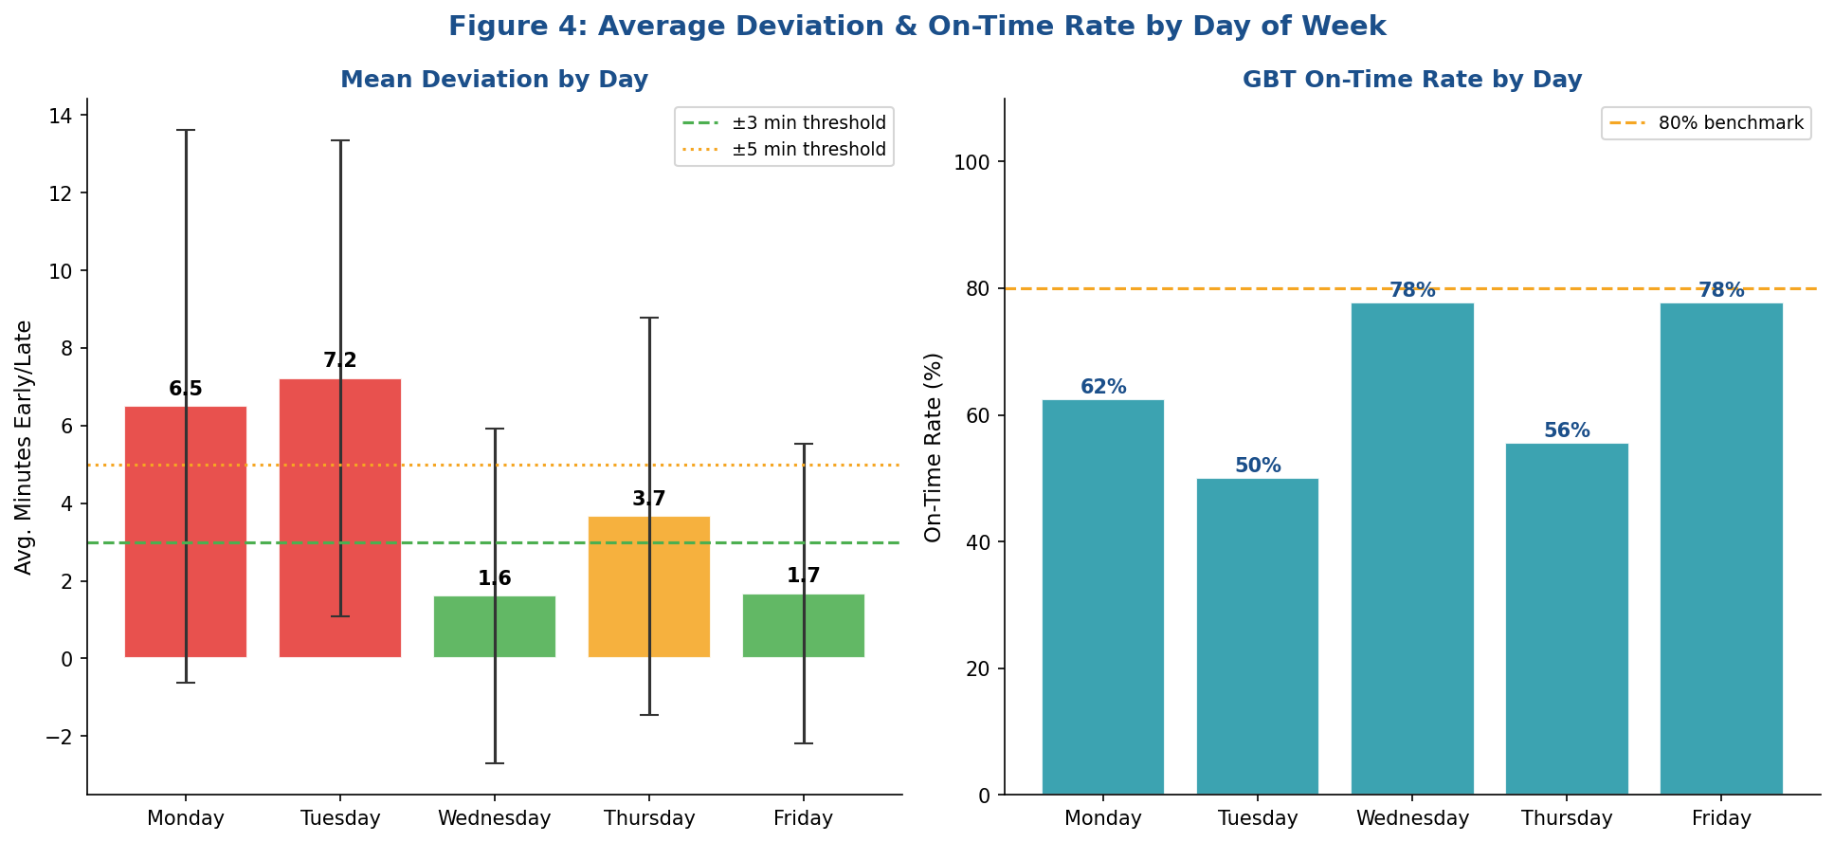
AVERAGE DEVIATION BY DAY OF WEEK

Day | Count | Mean Delay | Median | Std Dev | Min | Max | OT% (±3min) | OT% (±5min GBT)
Monday | 16 | 7 | 4 | 7 | -1 | 22 | 37.5% | 62.5%
Tuesday | 18 | 7 | 6 | 6 | -1 | 23 | 27.8% | 50.0%
Wednesday | 18 | 2 | 1 | 4 | -5 | 10 | 66.7% | 77.8%
Thursday | 18 | 4 | 1 | 5 | -5 | 12 | 50.0% | 55.6%
Friday | 18 | 2 | 1 | 4 | -4 | 9 | 61.1% | 77.8%

f) Weather Impact
WEATHER IMPACT ANALYSIS

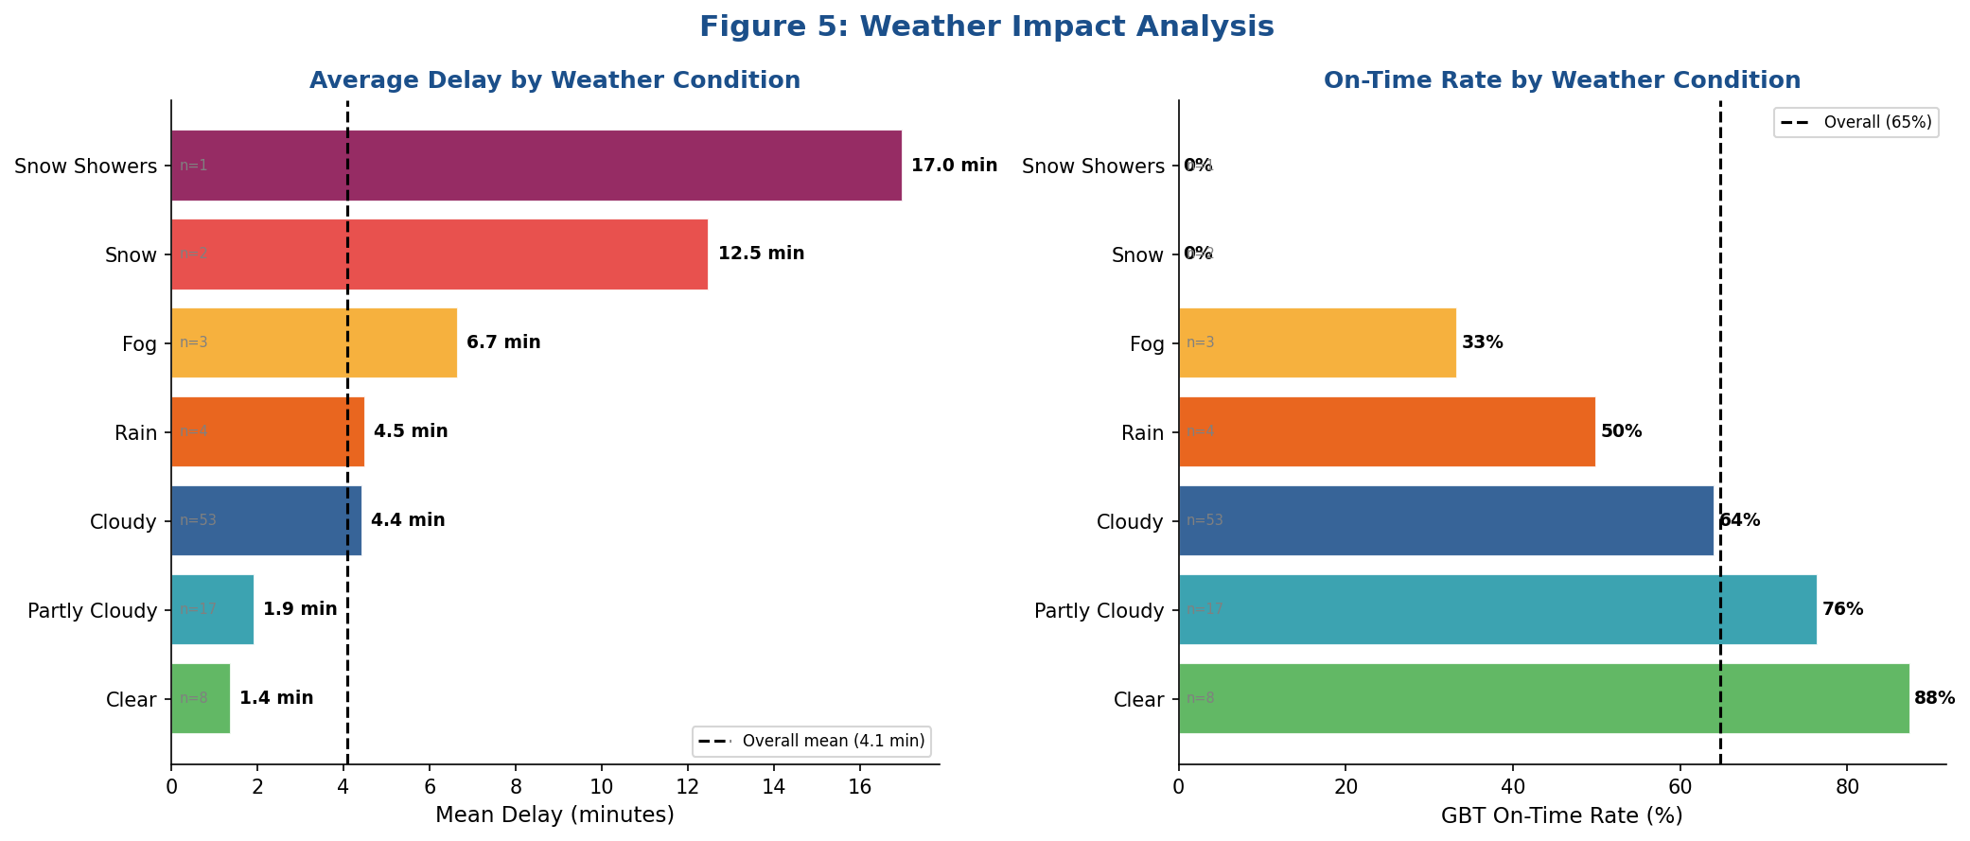
Weather Condition | Count | Mean Delay (min) | Std Dev | Min | Max | OT% (±5min GBT) | Category
Clear | 8 | 1 | 3 | -4 | 6 | 87.5% | Low Impact
Partly Cloudy | 17 | 2 | 4 | -3 | 9 | 76.5% | Low Impact
Cloudy | 53 | 4 | 6 | -5 | 23 | 64.2% | Moderate Impact
Rain | 4 | 5 | 5 | -1 | 10 | 50.0% | Moderate Impact
Fog | 3 | 7 | 3 | 4 | 10 | 33.3% | Severe Impact
Snow | 2 | 13 | 2 | 11 | 14 | 0.0% | Severe Impact
Snow Showers | 1 | 17 |  | 17 | 17 | 0.0% | Severe Impact

